Two Multi and FNN
Training Accuracy
0 | 1 | Accuracy = 84%
1 | 0.953125
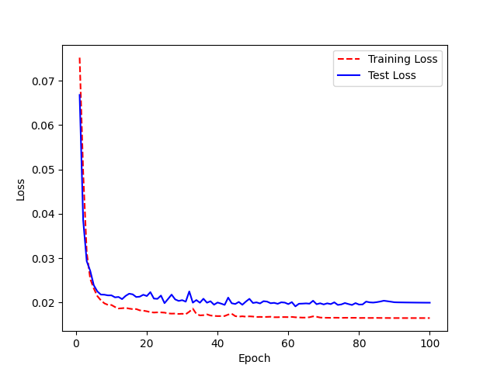
2 | 0.71875
3 | 0.75
4 | 0.546875
5 | 0.4375
6 | 0.375
7 | 0.34375
8 | 0.359375
9 | 0.328125
10 | 0.375
11 | 0.390625
12 | 0.265625
13 | 0.375
14 | 0.421875
15 | 0.375
16 | 0.375
17 | 0.359375
18 | 0.234375
19 | 0.3125
20 | 0.390625
21 | 0.265625
22 | 0.359375
23 | 0.3125
24 | 0.234375
25 | 0.234375
26 | 0.375
27 | 0.25
28 | 0.265625
29 | 0.265625
30 | 0.25
31 | 0.359375
32 | 0.234375
33 | 0.171875
34 | 0.25
35 | 0.203125
36 | 0.109375
37 | 0.1875
38 | 0.234375
39 | 0.1875
40 | 0.21875
41 | 0.140625
42 | 0.25
43 | 0.25
44 | 0.203125
45 | 0.203125
46 | 0.140625
47 | 0.1875
48 | 0.203125
49 | 0.1875
50 | 0.140625
51 | 0.15625
52 | 0.203125
53 | 0.15625
54 | 0.15625
55 | 0.21875
56 | 0.1875
57 | 0.203125
58 | 0.171875
59 | 0.125
60 | 0.171875
61 | 0.171875
62 | 0.15625
63 | 0.15625
64 | 0.1875
65 | 0.1875
66 | 0.25
67 | 0.140625
68 | 0.171875
69 | 0.171875
70 | 0.140625
71 | 0.15625
72 | 0.125
73 | 0.140625
74 | 0.171875
75 | 0.171875
76 | 0.140625
77 | 0.171875
78 | 0.1875
79 | 0.140625
80 | 0.140625
81 | 0.15625
82 | 0.09375
83 | 0.125
84 | 0.15625
85 | 0.140625
86 | 0.140625
87 | 0.1875
88 | 0.15625
89 | 0.140625
90 | 0.140625
91 | 0.15625
92 | 0.15625
93 | 0.140625
94 | 0.140625
95 | 0.140625
96 | 0.140625
97 | 0.140625
98 | 0.140625
99 | 0.140625

